About Non-GAAP Financials
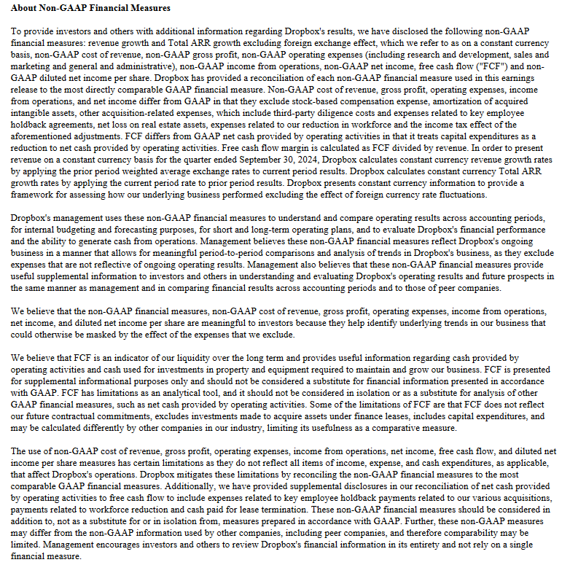

Updated | 2024-10-29

