About Non-GAAP Financials
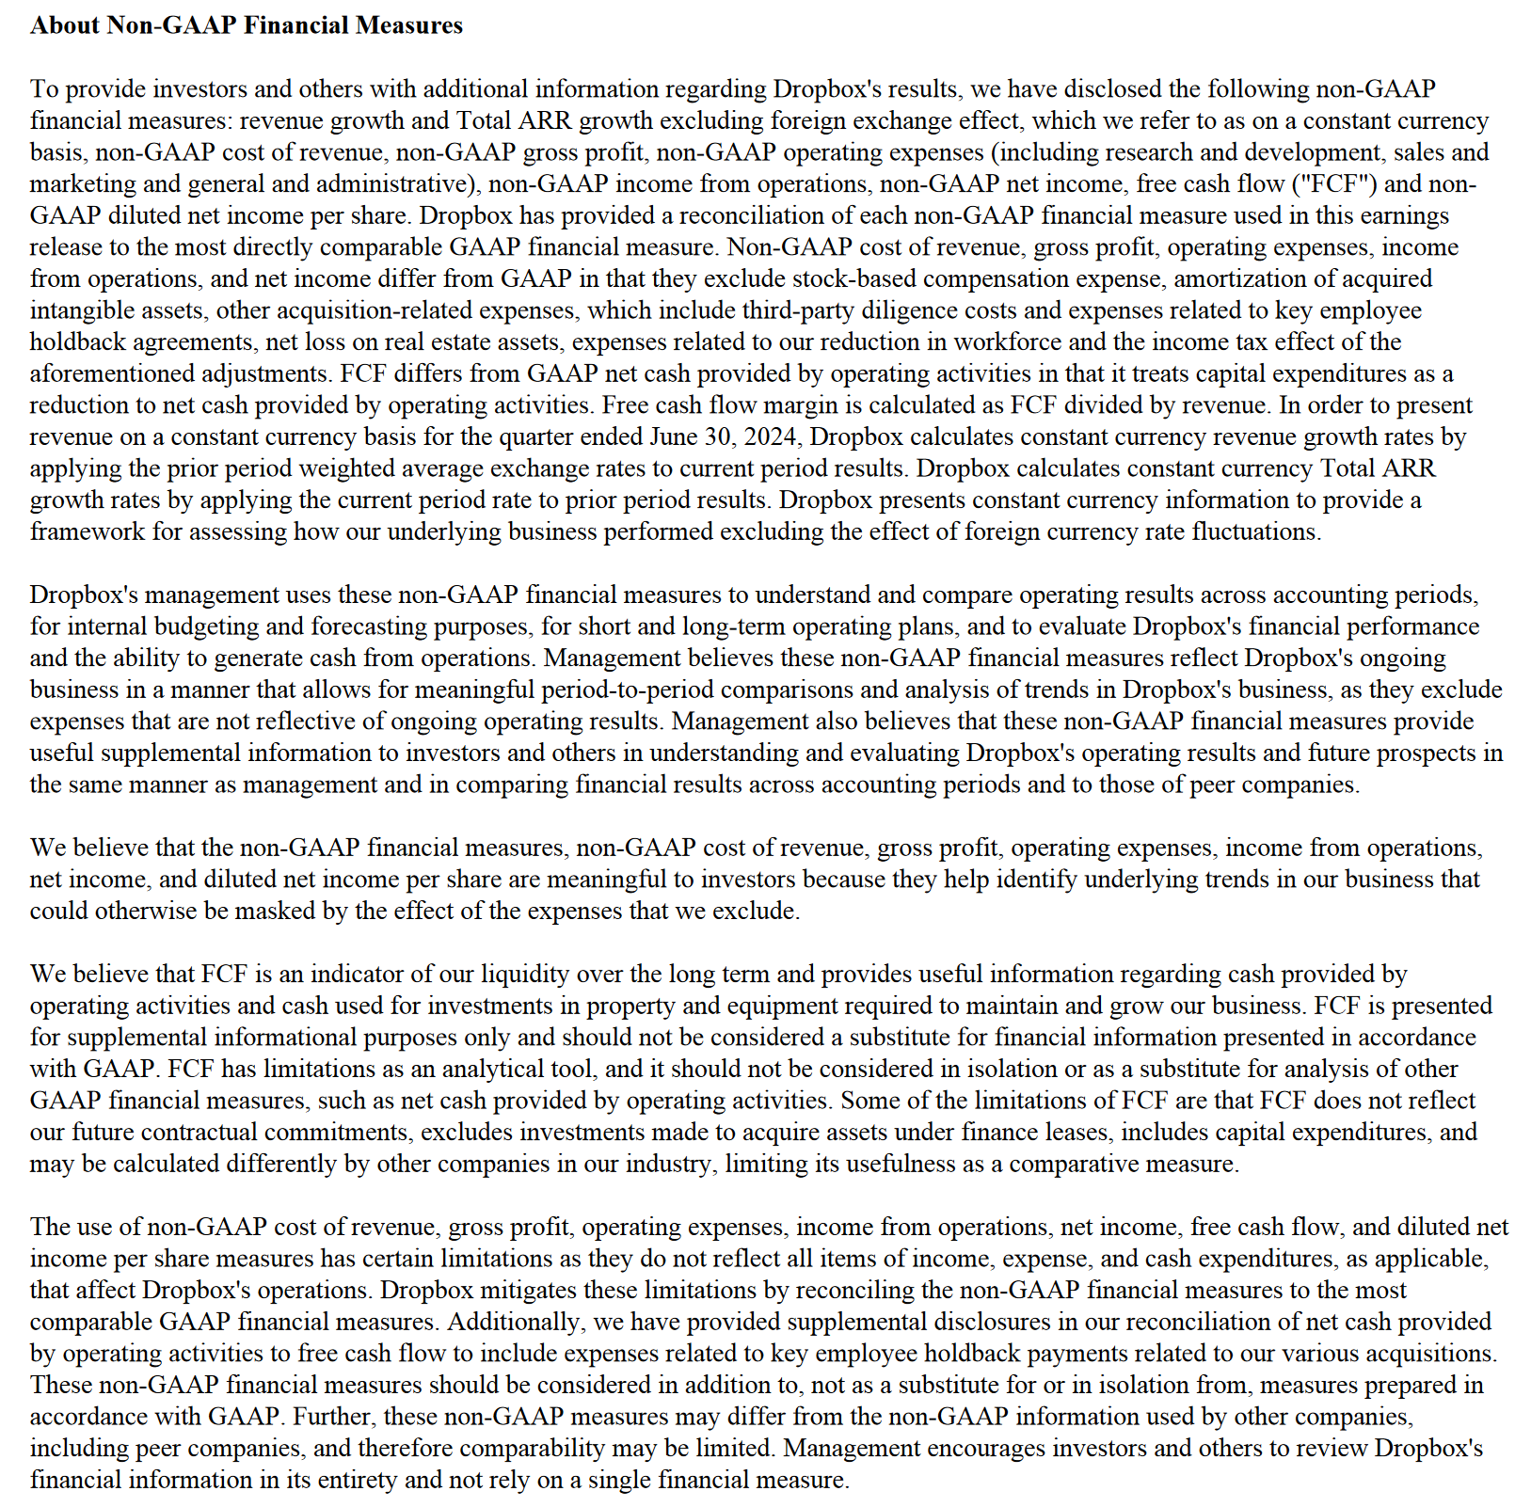

Updated | 7.30.24

