About Non-GAAP Financials
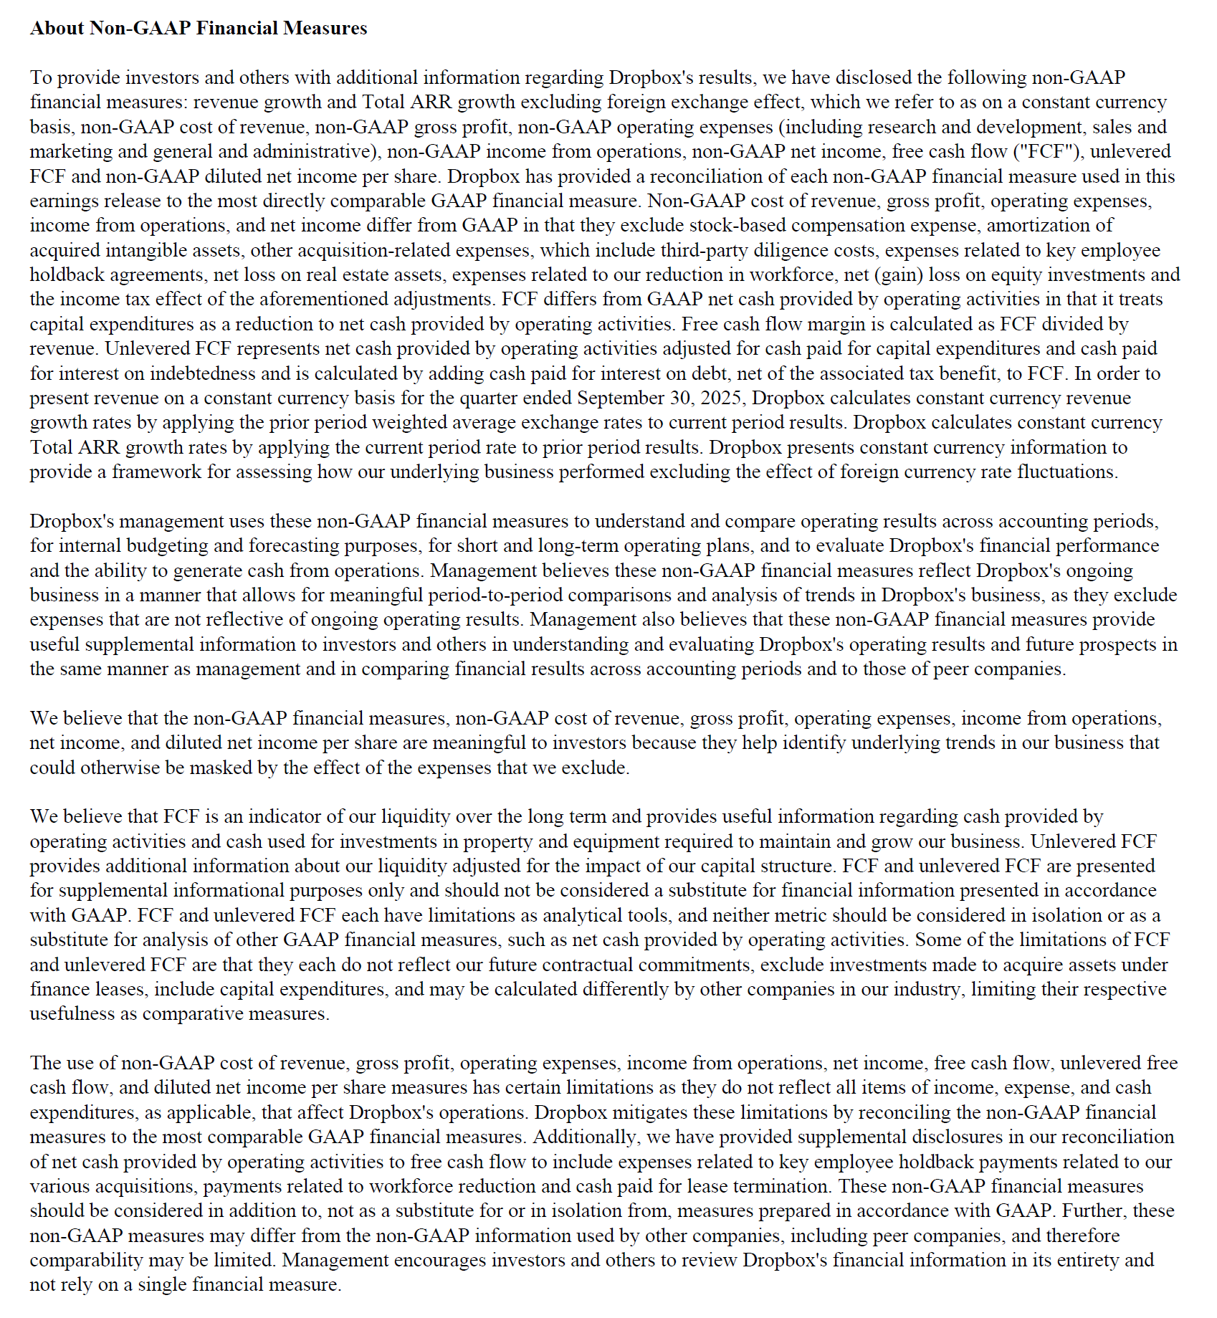

Updated | 10.23.25

