About Non-GAAP Financials
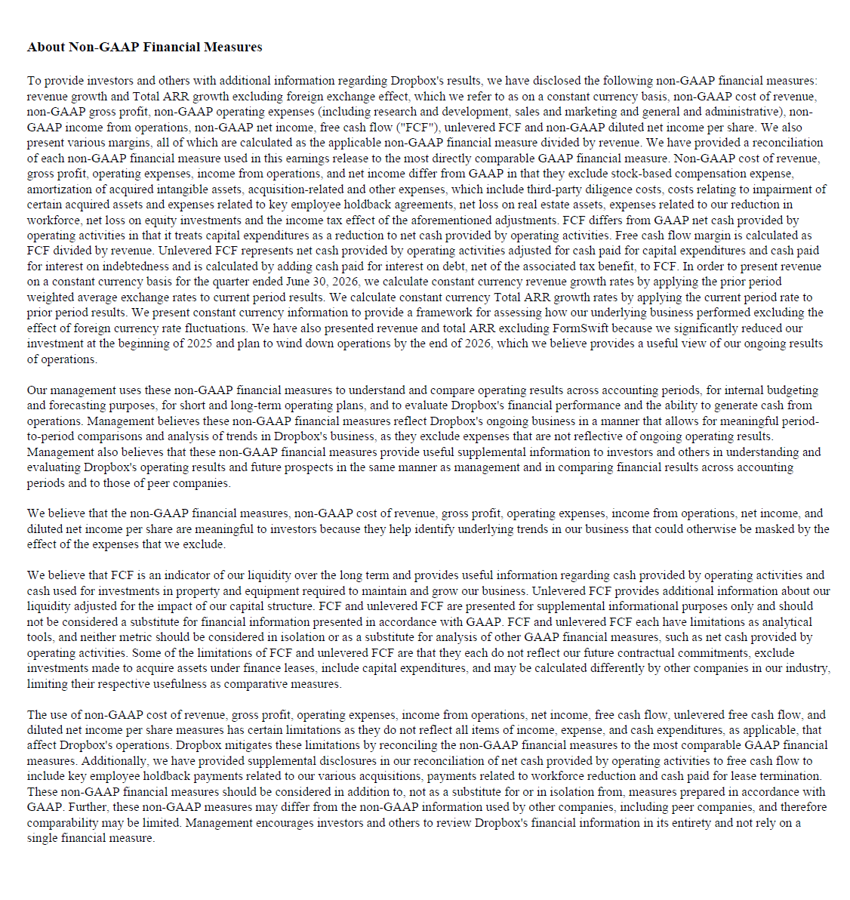

Updated | 8.3.2026

