About Non-GAAP Financials
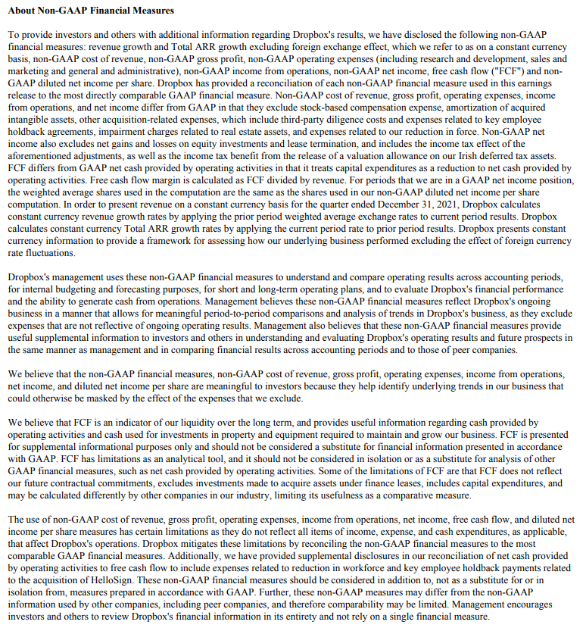

Updated | BSB 2.16.21

